Site Task creatation
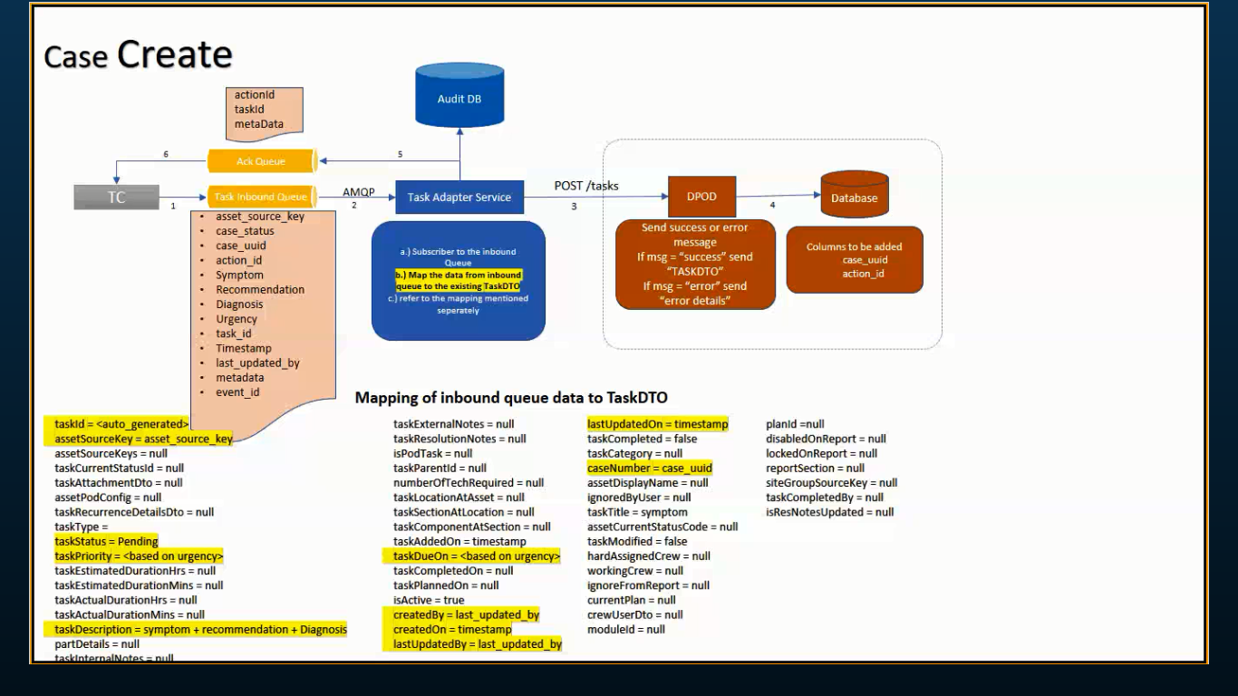
Verify as a dPOD user is able to see duplicate site Tasks under "Planned maintenance" and "Turbines operating in reduced status" in POD and EOD Reports | Login to dPOD predix application using 'Site Manager' role | dPOD Predix home page should be launched based on the user role
 | Click on + icon in work plan section | Add Task Popup should be displayed
 | Select the Site Task from existing dropdown and click on Add button | Site task should be shown in Existing dropdown and should be added successfully in workplan section
 | Verify how many site tasks are showing | All the tasks should be shown properly
 | Click on Reports module | User should be navigates into Reports module
 | Compare all the site tasks which are showing in work plan and in POD reports | Both the site tasks should be matched
 | Compare all the site tasks which are showing in work plan and in EOD reports | Both the site tasks should be matched
 | Verify any duplicate site tasks are showing in POD and EOD reports | Duplicate tasks should not be shown in both the reports

Verify as a dPOD user is able to see category icons for the site Tasks | Login to dPOD predix application using 'Site Manager' role | dPOD Predix home page should be launched based on the user role
 | Verify Category icon showing for site tasks | Category icon should be shown for site tasks

Verify as a dPOD user is able to complete the site task in work plan section | Login to dPOD predix application using 'Site Manager' role | dPOD Predix home page should be launched based on the user role
 | Click on Site level task name | User should be navigates into Edit task page
 | Click on Execution tab | User should see the “Task status complete” check box
 | select the “Task status complete” check box | User should be selected “Task status complete” check box
 | Click on "Save" button | "Task Updated Successfully" message should be displayed

Verify as a dPOD user is able to create a new site task using csv file | Login to dPOD predix application using 'Site Manager' role | dPOD Predix home page should be launched based on the user role
 | Click on Tasks Module | User should be navigates into Task page
 | Click on Actions | "Download Template" option should be displayed
 | Click on "Download Template" option | Task template should be downloaded successfully
 | Enter all the Site task info in csv file | User should able to enter all the info
 | Click on "Import" option and choose the csv file and click on ok | User should be able to upload the csv file and should be displayed "Task updated successfully" message
 | Verify created task is showing proper category and planned date | Correct Catogery and planned date should be shown

Verify as a dPOD user is able to get the warning message when creating a new site task without select a priority option form the priority dropdown | Login to dPOD predix application using 'Site Manager' role | dPOD Predix home page should be launched based on the user role
 | Click on Tasks Module | User should be navigates into Task page
 | Click on Create button | User should be navigates into Add Task page
 | Select the Site from the turbine/site level option | User should able to select the Site option
 | Enter all the mandatory fields except Priority | User should able enter all the fields excepts priority
 | Click on Add button | "Priority should be mandatory" message should be displayed under priority dropdown

Verify as a dPOD user is able to to edit the personnel(First Name, Last name and Initial fields), when a user selects a personnel from the personnel management app and clicks on the edit icon | Login to dPOD predix application using 'Site Manager' role | dPOD Predix home page should be launched based on the user role
 | Verify user is able to see the site group drop drown | Site group drop down should be displayed with available site groups
 | Select the site(SH) from site group drop down | User should be selected the site(SH) from the site group down
 | Click on "Edit Personnel" | User should be navigates into Edit personnel page
 | Enter the valid text in First name field | First Name field should be allowed
 | Verify alpha numaric values are allowing in First Name field | Alpha numaric values should be allowed in First Name field
 | Enter the valid text in Intial field | Initial field should be allowed
 | Enter the valid Last Name in Last name field | Last Name field should be allowed
 | Verify alpha numaric values are allowing in Initial field | Alpha numaric values should be allowed in Intial field
Application should be displayed error message | Verify alpha numaric values are allowing in Last Name field | Alpha numaric values should be allowed in Last Name field

Sheet2
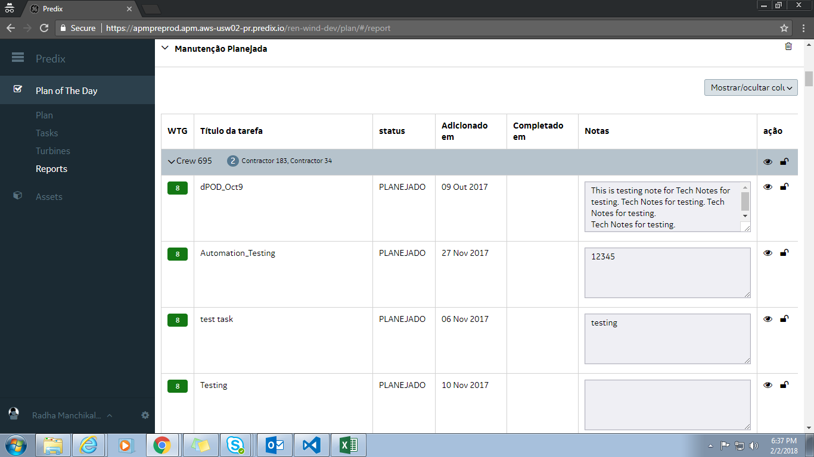

User Story | Test Case Description | Step Description | Expected Result | Actual Result

 | Verify Site Manager is able to see all users entered text in Task page is displaying in default language | Login to dPOD predix application using 'Site Manager' role | dPOD Predix home page should be launched based on the user role
 |  | Click on Task Module link | User should navigate into Task page
 |  | Verify date picker content is displaying in English | Data picker content should be displayed in English
 |  | Verify all user entered text in Task page is displaying in English Language | All user entered text in Task page should be displayed in English

 | Preferred language should be selected as Portuguese language

 |  | Verify if user select other than the defined language | User should get proper alert message
 | Verify Site Manager is able to see the label change for Site level Execution tab once i click on Create button within the task page in Portuguese Language
 | °C
 |  | Verify "Recurrence" Drop down values content is displaying in Portuguese Language "Select" ,"Monthly", "Annual", "semi annual", "Every Climb" and "Custom" | "Recurrence" dropdown values content should be displayed in Portuguese "Select" ,"Monthly", "Annual", "semi annual", "Every Climb" and "Custom"

DE58954 | Weather widget on Report page: we are reporting wind speed as 3.9 mph, whereas in plan page, we are displaying it in m/s

DE59595 | Report section - resolution note fixes
 | Why 'Notes' in the reports section not editable?
 | This section should just say 'Notes', not resolution notes. This is the POD, there isn't a resolution yet. (The notes should be pulled from 'POD/EOD Notes' for the POD/EOD reports and from 'Tech Notes' for the Tech report.

 | The logged in user should be of role Operations Manager, Site Manager, Site Lead and Technician.

 | Verify Category dropdown Values content is displaying in Portuguese Language | Category Dropdown values content should be displayed in Portuguese Select---"Selecionar", ETC---"ETC", MCE---"MCE", Maintenance--"Manutenção", Punch List--"Punch List", Retrofits--"Retrofits", TIL--"TIL, Unplanned Maintenance--"Manutenção não planejada", Others--"Outros", Diagnostics==="Diagnóstico"
 | Verify Group field content is displaying in Portuguese Language | Group field content should be displayed in Portuguese "Grupo"
 | Verify Group dropdown Values content is displaying in Portuguese Language | Group Dropdown values content should be displayed in Portuguese Select---"Selecionar", Blade----"", Documentation---"", DTA---"", External Components--"", Hub--"", Nacelle--"", Software--"", Tower===""

 | DE39320, DE57841, DE58527, DE58573, DE58953, DE58936

Sheet3
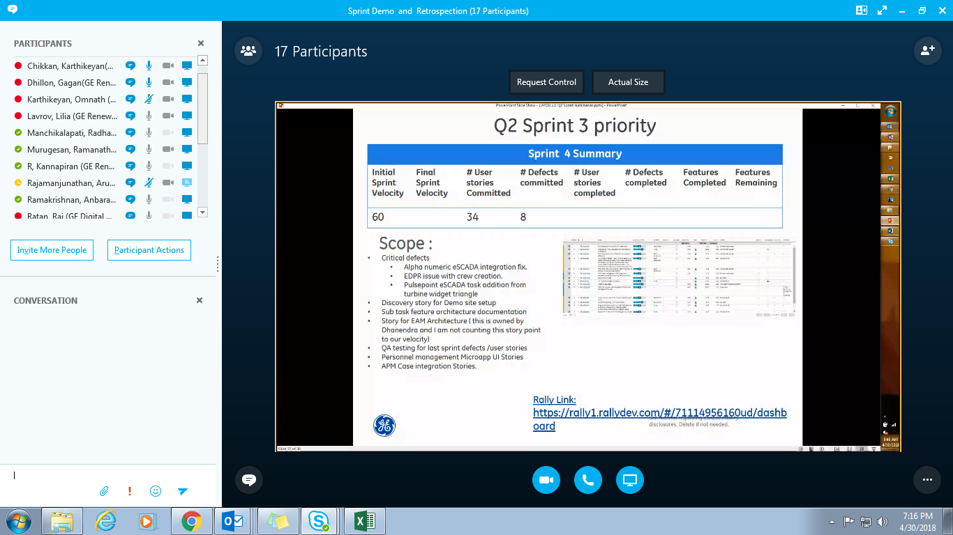

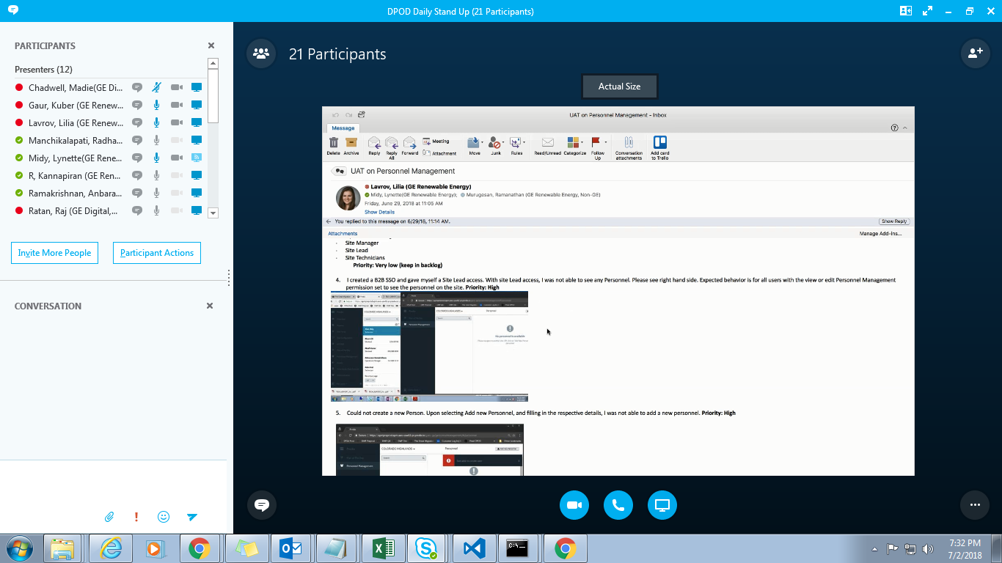

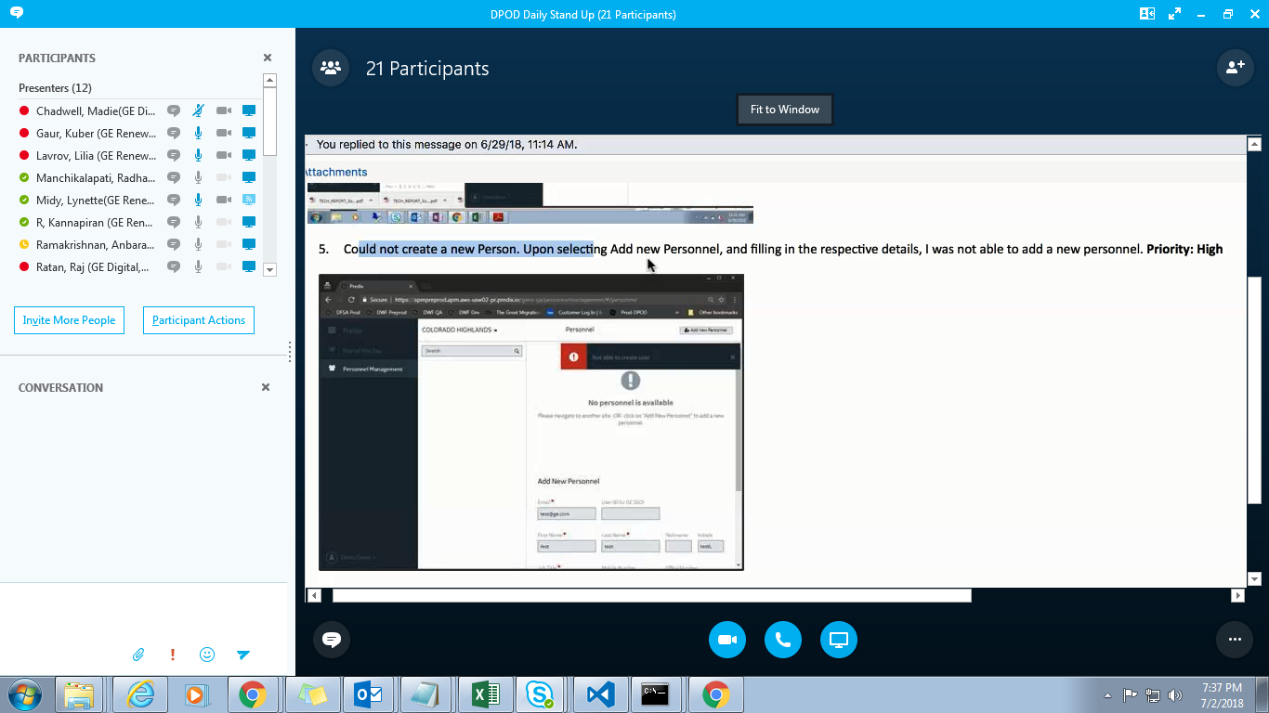

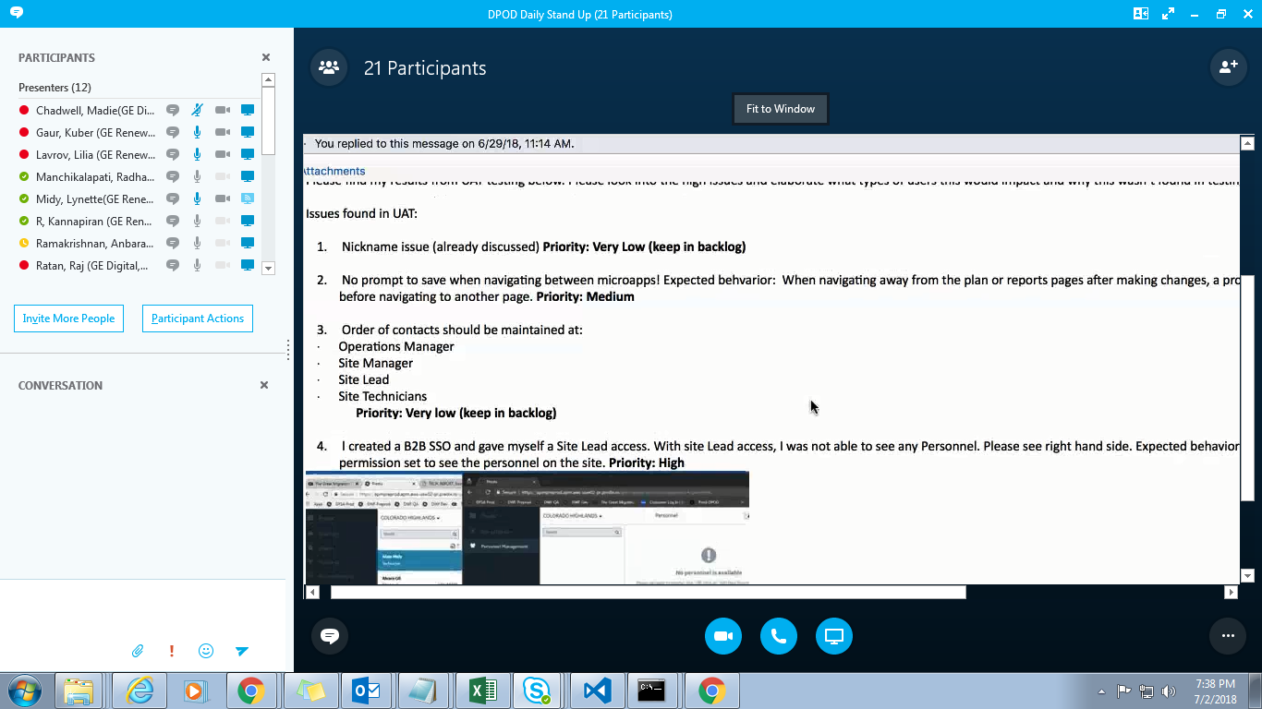

F41027 – Loading of static header data | y
F41003 – Failure and Resubmit
F40984 – Autopopulation of Scada Fault Code | F41413 - ERP Integration - Task Detail Changes | y
F41006 – Cont UX Enhancements | y
F27502 – Reports – Tracker Table

5143

50100018982099 hdfc0001578

